Sheet1
Image | 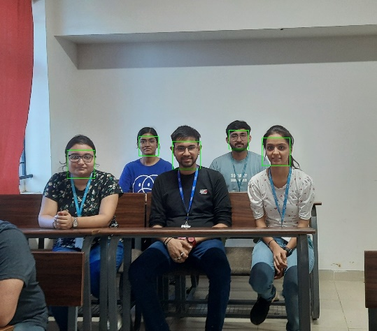
Faces Detected (out of 5) | 5 | 5
Image | 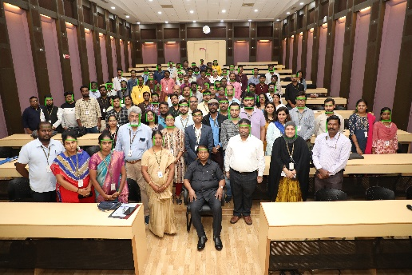
Faces Detected (out of 100) | 86

